Sheet1
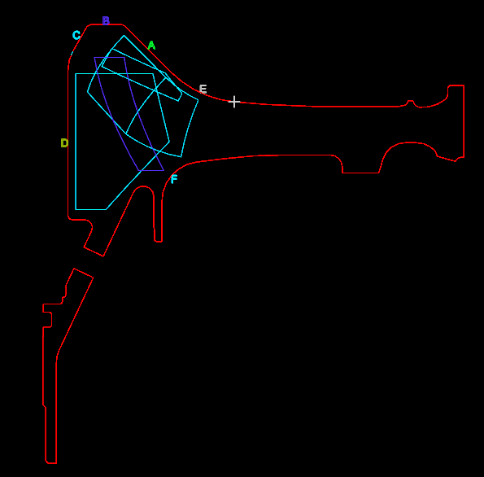
Surface A |  |  | Surface B |  |  | Surface C
Vdepth (inches) |  |  | Vdepth (inches) |  |  | Vdepth (inches)
Position | Start | Stop | Position | Start | Stop | Position | Start | Stop
0.100 | 0.120 | 1.414 | 0.000 | 0.530 | 2.333 | 0.000 | 0.495 | 1.626
1.060 | 0.120 | 1.414 | 0.450 | 0.530 | 2.333 | 0.130 | 0.495 | 1.626
 |  |  |  |  |  | 0.335 | 0.495 | 1.308

Surface D |  |  | Surface E
Vdepth (inches) |  |  | Vdepth (inches)
Position | Start | Stop | Position | Start | Stop
0.100 | 0.120 | 0.566 | 0.000 | 0.120 | 1.414
1.200 | 0.120 | 1.414 | 0.500 | 0.120 | 1.131
2.300 | 0.120 | 1.202

